Contact Info and Instructions
Instructions:
Each column that has a red triangle in the upper-right corner has a comment that can be displayed if you hover over the header.
Some column headers have hyperlinks to NCBI webpages.
The YELLOW columns have drop-down menues that allow you to select from a controlled vocabulary. Once specified for one row, these values can be copied-and-pasted down.
You can add as many files to a sample you wish by adding more columns with headers filename2, filename3,etc
You must save page 2(SRA_data) as a TSV(tab-delimited file) and upload the TSV file for the SRA metadata tab.

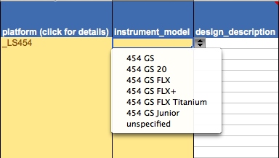

Many of the columns also have data checks - if you received a warning, please verify that you have attempted to enter a correct value.
NOTE: There are data checks and autocomplete features in this spreadsheet that are not compatible with Libre- and Open-Office. If you use one of these suites, please manually consult the platform and instrument information on the last page.

Header key:
red triangles indicate pop-up comments for that field | required for ALL data types | required for aligned data | paired-end data only

SRA submission quick start guide: | http://www.ncbi.nlm.nih.gov/sra/docs/submit/
SRA submission FAQ: | http://www.ncbi.nlm.nih.gov/sra/docs/submitquestions/

